Entering speed estimate
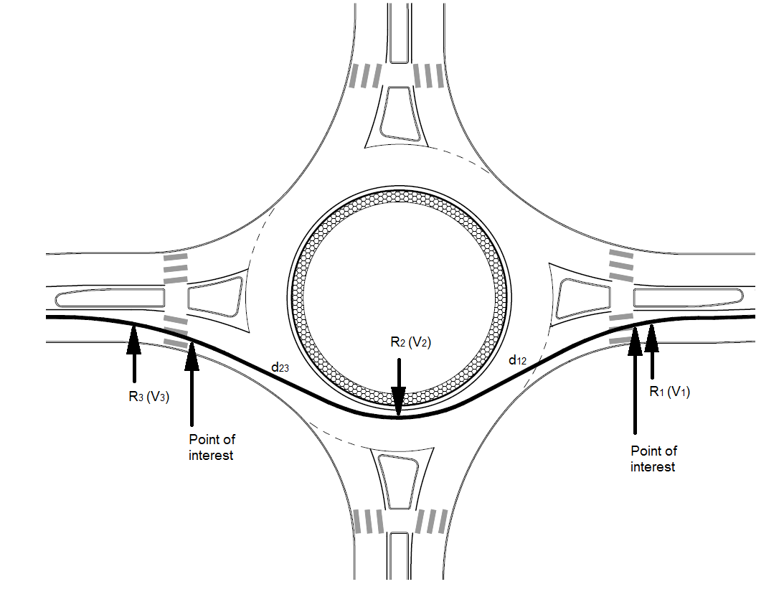
NCHRP 672 - Vehicle Speed Estimation
Notes:
1. Read NCHRP 672 for usage notes.
2. Only used for rough approximation of speed or approximation of speed at a point (for example, pedestrian crossing)
3. Use ARNDT software for more robust speed estimation.

Predicted speed on curve with 2% positive super (equation 6-1)
R | 100 | m | Radius of curve
V | 52 | km/h | Predicted curve speed

Predicted speed on curve with 2% negative super (equation 6-2)
R | 20 | m | Radius of curve
V | 26 | km/h | Predicted curve speed

Predicted entry speed (equation 6-3) modified
Modified to use positive value in d12 variable
c
V1pbase | 50 | km/h | V1 speed predicted based on path radius
V2 | 30 | km/h | Circulatory speed for through vehicles predicted based on path radius
a12 |  |  | Deceleration between the point of interest along V1 path and the midpoint of V2 path
d12 | 30 | m | Distance along the vehicle path between the point of interest along V1 path and the midpoint of V2 path
V1 | 43 | km/h | Estimated entry speed

Predicted exit speed (equation 6-4)

V3pbase | 50 | km/h | V3 speed predicted based on path radius
V2 | 30 | km/h | Circulatory speed for through vehicles predicted based on path radius
a23 |  |  | Acceleration between the midpoint of V2 path and the point of interest along V3 path
d23 | 30 | m | Distance along the vehicle path between midpoint of V2 path and point of interest along V3 path
V3 | 50 | km/h | Estimated exit speed

Calculations
Roundabout Crash prediction Models for Queensland
Source |  | Turner (2013) | Turner (2013)
Model |  | Aucar1 | Aucar2
 |  | Entering v circulating cyclist | Other cycling crash types
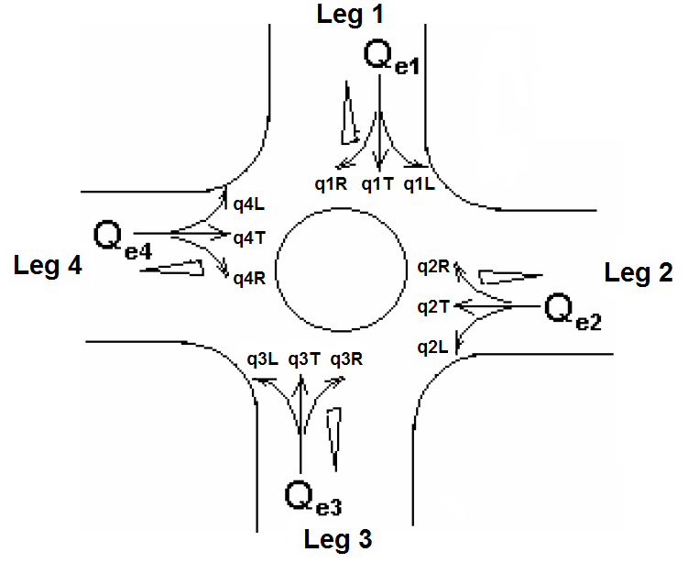
Constant | b0 | 3.880E-05 | 2.070E-07
Constant | b1 | 0.43 | 1.04
Constant | b2 | 0.38 | 0.23
 | q1r | 100
 | q1t | 2000
 | q1l | 2000
 | q2r | 2000
 | q2t | 3000
 | q2l | 1000
 | q3r | 2000
 | q3t | 2000
 | q3l | 2000
 | q4r | 1000
 | q4t | 3000
 | q4l | 1000
Daily Entering flow of motor vehicles (AADT) | Qe1 | 4100
 | Qe2 | 6000
 | Qe3 | 6000
 | Qe4 | 5000
Approach flow (sum of entering and exiting motor vehicle flows) | Qa1 |  | 9100
 | Qa2 |  | 13000
 | Qa3 |  | 10000
 | Qa4 |  | 10100
Daily Entering flow of Bicycles | c1R | 50
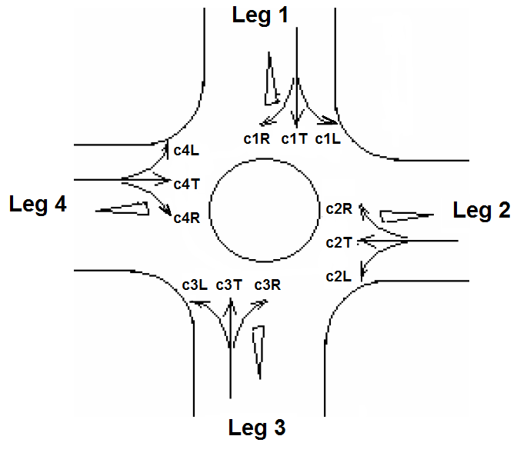
 | c1t | 50
 | c1l | 50
 | c2r | 50
 | c2t | 100
 | c2l | 70
 | c3r | 50
 | c3t | 50
 | c3l | 70
 | c4r | 50
 | c4t | 100
 | c4l | 50
Total cycle flow circulating at a point in front of approach | Cc1 | 200
 | Cc2 | 150
 | Cc3 | 200
 | Cc4 | 150
Total cycle flow on each approach | Ca1 |  | 300
 | Ca2 |  | 420
 | Ca3 |  | 340
 | Ca4 |  | 420
Free mean speed of vehicles as they enter the roundabout | Se1 | 30
 | Se2 | 40
 | Se3 | 30
 | Se4 | 40
Constant | b3 | 0.49
Annual Crash Prediction |  | 0.25 | 0.07

Total Annual Crash Prediction |  | 0.32
1 bicycle crash expected on average every |  | 3.12 | years

